NFL 2024 Uno_LP
Item # | Description | QTY | UPC | case pack | suggested retail

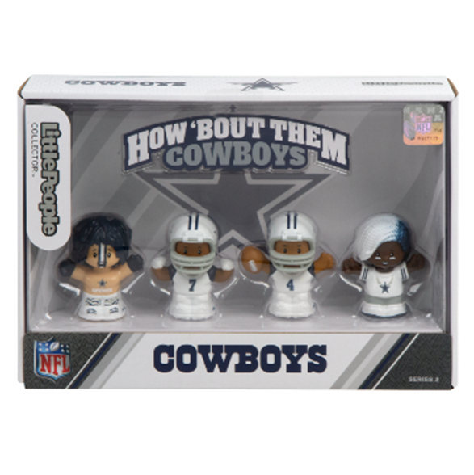
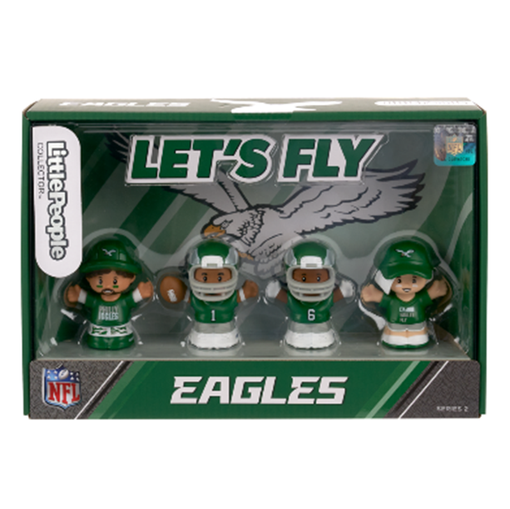

HVH13 | NFL PHILADELPHIA EAGLE LITTLE PEOPLE | 16,316 | 194735204007 | 10 | $24.99
HVH14 | NFL SF 49ERS LITTLE PEOPLE | 5,072 | 194735203888 | 10 | $24.99
HVH16 | NFL PITT STEELERS LITTLE PEOPLE | 7,846 | 194735203970 | 10 | $24.99
HVH19 | NFL CINCINNATI BENGAL LITTLE PEOPLE | 7,474 | 194735204137 | 10 | $24.99
HVH21 | NFL KC CHIEFS LITTLE PEOPLE | 16,298 | 194735204052 | 10 | $24.99
HVH23 | NFL DALLAS COWBOYS LITTLE PEOPLE | 7,999 | 194735203826 | 10 | $24.99
 |  | 61,005

